CFD Actual Cost Definition
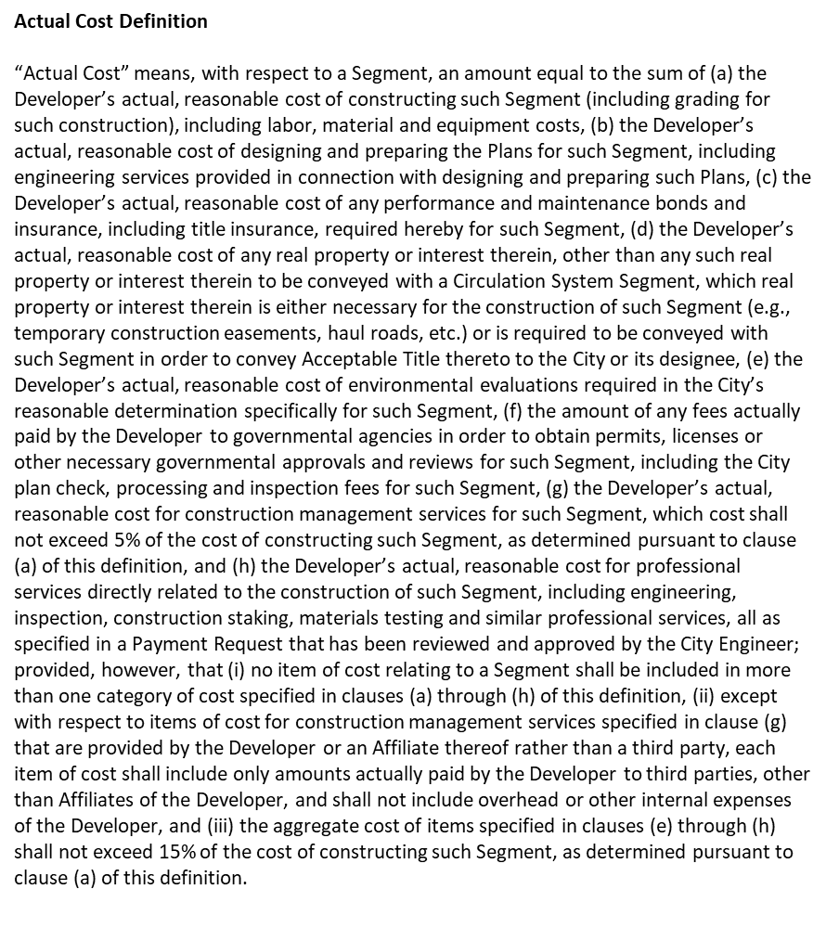
Actual Cost Definition
“Actual Cost” means, with respect to a Segment, as the description thereof is reflected in the then current Plans therefor, an amount equal to the sum of (a) the actual, reasonable cost of constructing such Segment (including grading for such construction), including labor, material and equipment costs and professional services directly related to materials testing, (b) the actual, reasonable cost of designing and preparing the Plans for such Segment, including engineering services provided in connection with designing and preparing such Plans, (c) the actual, reasonable cost of any performance and maintenance bonds and insurance, including title insurance, required hereby for such Segment, (d) the actual, reasonable cost of any real property or interest therein, other than any such real property or interest therein to be conveyed with a Circulation System Segment, which real property or interest therein is either necessary for the construction of such Segment (e.g., temporary construction easements, haul roads, etc.) or is required to be conveyed with such Segment in order to convey Acceptable Title thereto to the City or its designee, (e) the actual, reasonable cost of environmental evaluations required in the City’s reasonable determination specifically for such Segment, (f) the amount of any fees actually paid to governmental agencies in order to obtain permits, licenses or other necessary governmental approvals and reviews for such Segment, including City plan check, processing and inspection fees for such Segment, (g) the actual, reasonable cost for construction management services for such Segment, which cost shall not exceed 5% of the cost of constructing such Segment, as determined pursuant to clause (a) of this definition, and (h) the actual, reasonable cost for professional services directly related to the construction of such Segment, including engineering, inspection, construction staking and similar professional 5 4160-8747-4493.6 services, all as specified in a Payment Request that has been reviewed and approved by the City Engineer; provided, however, that (i) no item of cost relating to a Segment shall be included in more than one category of cost specified in clauses (a) through (h) of this definition, (ii) except with respect to items of cost for construction management services specified in clause (g) that are provided by NMC Builders, Members or Affiliates of NMC Builders or Members rather than a third party, each item of cost shall include only amounts actually paid to parties other than NMC Builders, Members or Affiliates of NMC Builders or Members, and shall not include overhead or other internal expenses, and (iii) the aggregate cost of items specified in clauses (e) through (h) shall not exceed 30% of the cost of constructing such Segment, as determined pursuant to clause (a) of this definition.

* Pertains to new Amended Agreement dated November 1, 2022 or Local Agreements dated after November 1, 2022

